AutoREF
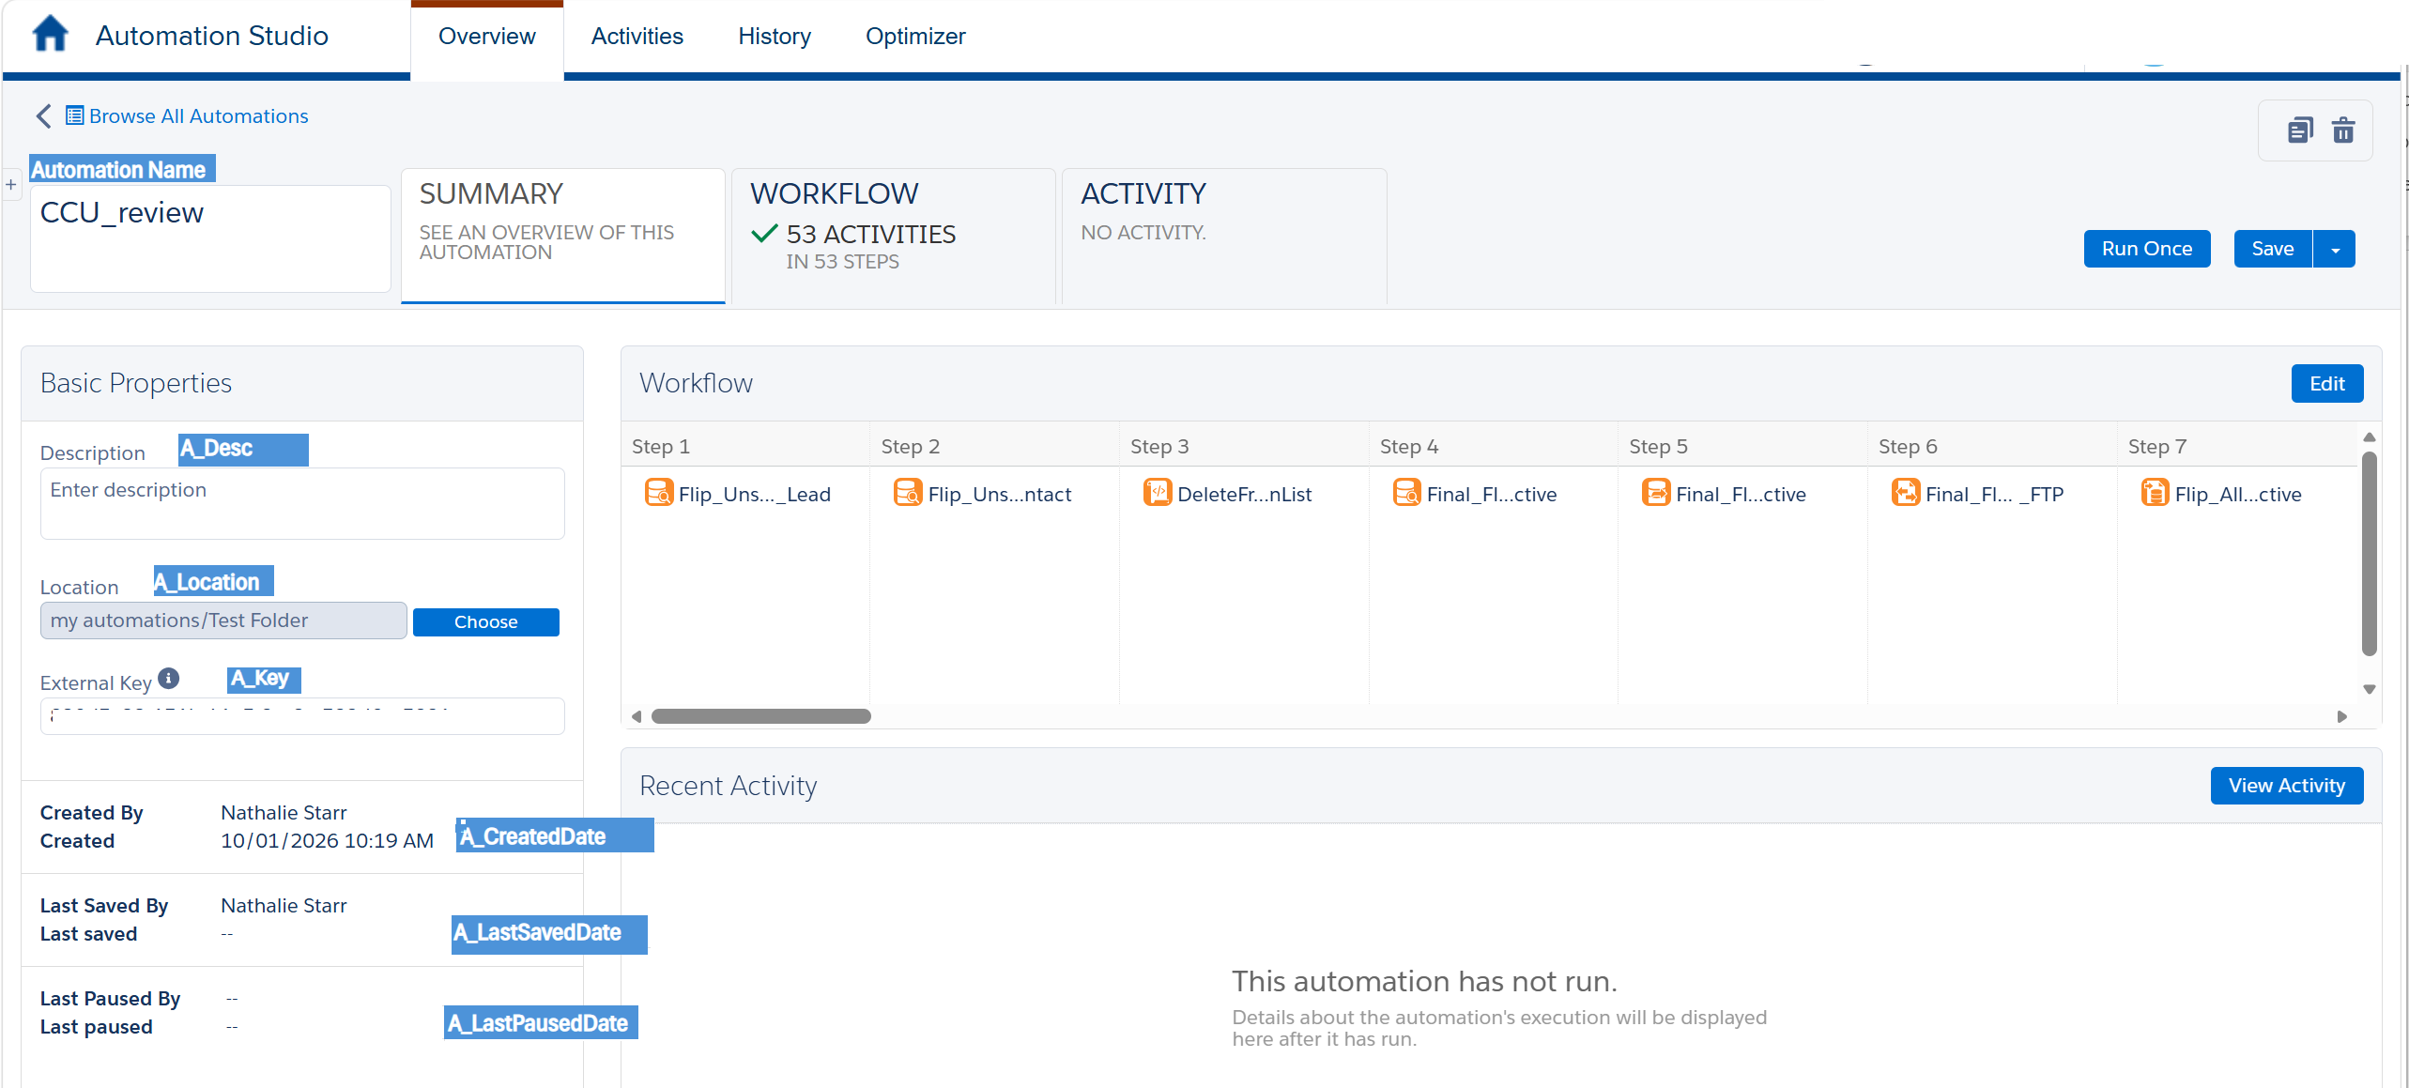
FIELD NAME | DESCRIPTION | LOCATION
AutomationTitle | DO NOT UPDATE
AutoID | DO NOT UPDATE
Automation Name | AutomationName | Automation Home
LastChecked | Today's Date
BU | Business Unit - PROD, DEV, etc
A_Location | Folder location in SFMC | Automation Summary Tab
A_Key |  | Automation Summary Tab
A_Desc | Type of Filetype inside of SFMC | Automation Summary Tab
A_CreatedDate | AssetID (5 digit #) | Automation Summary Tab
A_LastSavedDate | Published/Unpublished | Automation Summary Tab
A_LastPausedDate | Created Date | Automation Summary Tab
A_Status |  | Automation Workflow Tab
A_StartingSource | Schedule / Import / Trigger | Automation Workflow Tab
A_ScheduleInfo |  | Automation Workflow Tab
A_FileLocation |  | Automation Workflow Tab
A_TriggerInfo |  | Automation Workflow Tab
A_StepCount |  | Automation Workflow Tab
A_ErrorRate |  | Automation Activity Tab
A_ErrorNotificationEmails |  | Automation Activity Tab
A_HasErrorMonitor | Does the email list contain a Monitoring Distribution Email Address | Automation Activity Tab
A_AvgRunTime |  | Automation Activity Tab
A_Campaign |  | Automation Home
A_NextRun |  | Automation Home
A_LastRunStatus |  | Automation Home
A_LastRun |  | Automation Home
A_LastModified |  | Automation Home

